D&I
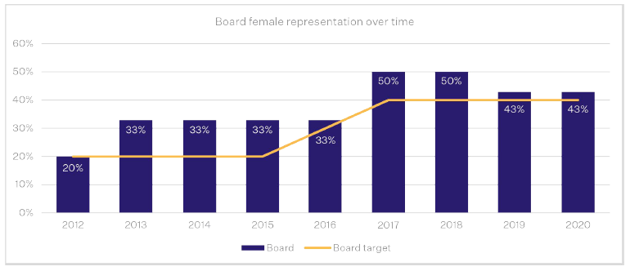
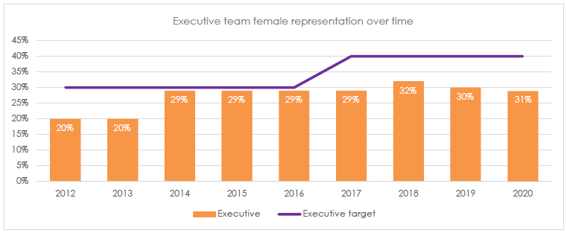
Pendal Australia D&I Data
Please see more Pendal Australia D&I data via the Australian Workplace Gender Equality Agengcy (WGEA) online portal here
https://data.wgea.gov.au/organisations/872#summary_content

Pendal Group female representation
Region | % Female
UK & Europe | 40%
Asia | 33%
USA | 28%
Australia | 37%
Group Total | 37%

Pendal Group Board and Executive Level Gender Targets
D&I Gender Target | Progress as at 30 September 2019 | Progress as at 30 September 2020 | Comment
A minimum of 40% female representation on the Pendal Group Board | 43% | 43% | The Board target continued to be exceeded this financial year, and is matched to the gender representation achieved in 2019.
A minimum of 40% female representation at Pendal Group Executive level | 30% | 31% | Female representation across Pendal Group’s Executive teams increased slightly this year. Pendal Group is focused on achieving its 40% female representation target for the Executive Team by 2023.

